Drykeeper
Drykeeper Quantity Calculation Sheet (Larger sizes) |  |  |  |  |  | *Please fill in YELLOW cells. Blue cells will be calculated automatically.

D
H
W
 | 1. | Calculate the volume capacity of the target enclosure.
 |  | W |  | D |  | H |  | Volume percentage
 | A | 330.000 | × | 680.000 | × | 680.000 | × | 100%
 |  | （mm） |  | （mm） |  | （mm） |  | （%）

 |  |  |  |  |  |  | ＝ | 0.152592 | ①
 |  |  |  |  |  |  |  | （m3）
 | 2. | Set the environmental conditions.
Fig. 1: Temp change over time during rainy season
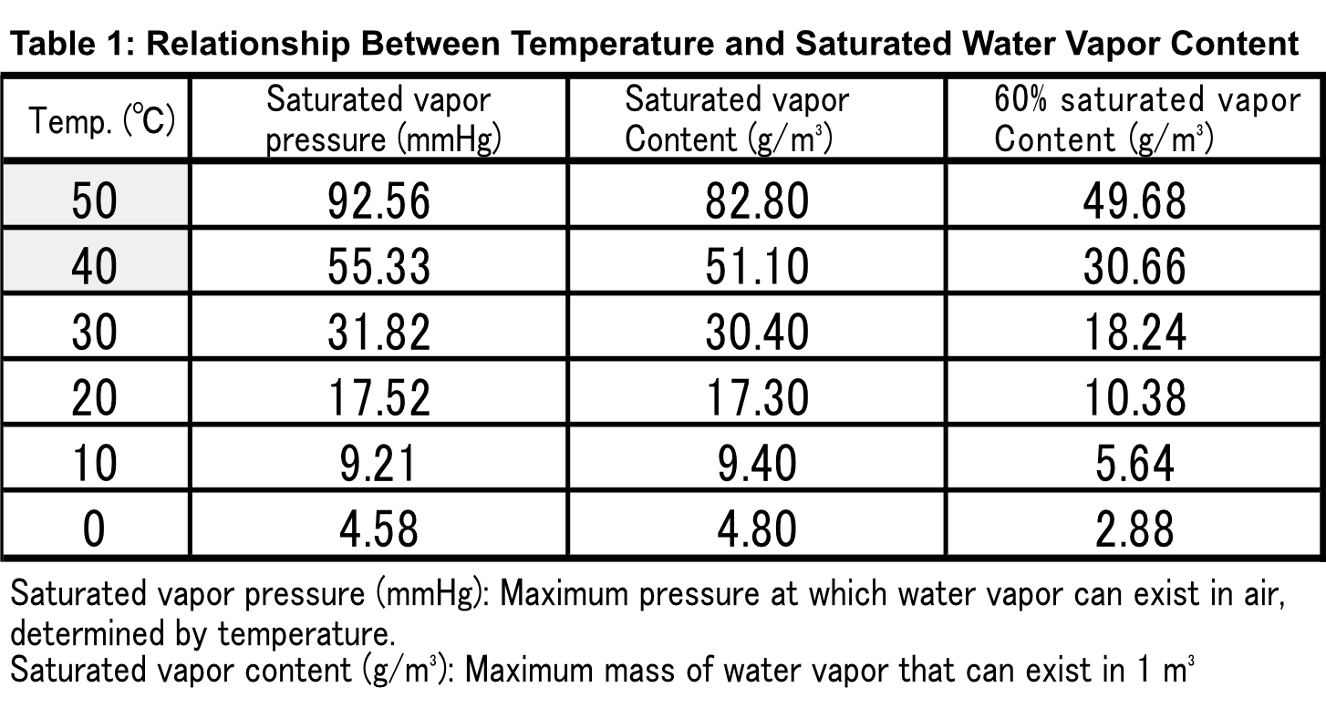
Temp (°C)

Time (h)

 | 3. | Calculation of Differential Water Vapor Content Due to Changes in Environmental Conditions (from Table or Graph)

 |  |  |  |  |  | Relative humidity |  | Saturated vapor content
 |  |  | Max temp | 30 | ℃ | 45 | ％ | 13.64 | ②
 |  |  | Min temp | 15 | ℃ | 30 | ％ | 3.84 | ③
 |  |  | *Min temp should be 0°C or higher |  |  |  |  | （g/m3）
 |  |  |  |  |  | Differential vapor quantity |  | 9.795 | ④
 |  |  |  |  |  | ②-③=④ |  | （g/m3）

Saturated vapor content (g/m³)
 |  |  | 4. | Total water volume precipitating inside the enclosure (condensation factor)

Water vapor
content at
100% humidity
 |  |  |  | Water vapor quantity to be absorbed |  | Volume ① |  | Target water volume to be absorbed
 |  |  | ④ | 9.795 | × | 0.152592 | ＝ | 1.495 | ⑤
 |  |  |  | （g/m3） |  | （m3） |  | （g）
 |  |  | (Handling external humidity influx during opening/closing, etc.)
 |  |  |  | Safety Margin (Typically enter 100%) |  |  |  | Water volume to be absorped
 |  |  | ⑥ | 100% |  |  | ⑤×（1.0+⑥/100）=⑦ | 2.989 | ⑦
60% relative humidity at 20°C <-- 100% relative humidity at 40°C
 |  |  |  | 50% = 1.5 times the volume |  |  |  | （g）
 |  |  |  | 100% = 2 times the volume
 |  |  |  | 200% = 3 times the volume
100% relative humidity at 15°C <-- 100% relative humidity at 35°C
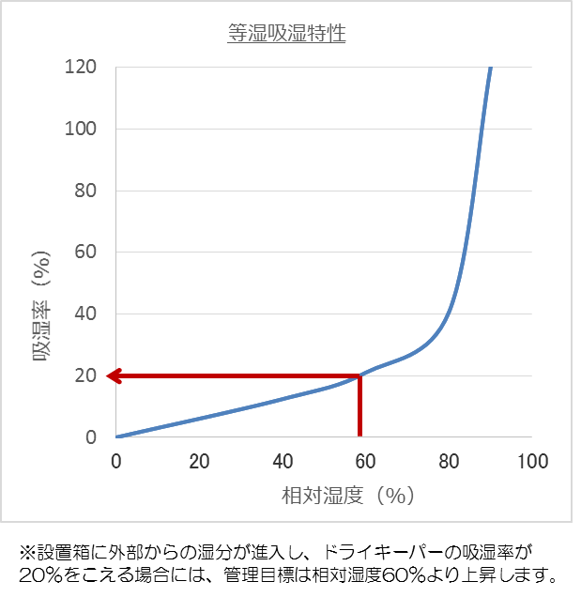
図２.
Relative humidity (%)
Moisture absorption rate (%)
Fig. 2: Moistrute absorption characteristic
If moisture enters the installation box from outside and the Dry Keeper's moisture absorption rate exceeds 20%, the target increases to above 60% relative humidity.

Condensation

Temp drop

Temp (°C)

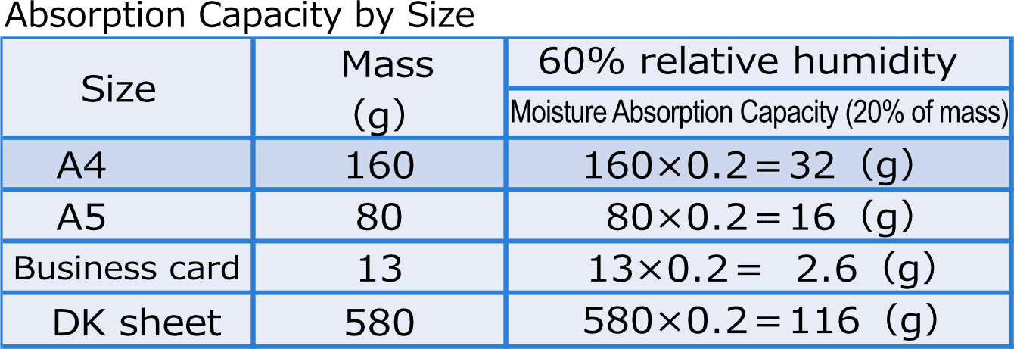
 |  |  | 5. | Calculate the required number of sheets based on the amount of moisture
 |  |  |  | absorbed at the equilibrium relative humidity setting (e.g., 60%).
 |  |  |  |  | Absorption capacity ⑧ |  |  | Required quantity ⑦/⑧=⑨
 |  | ⑧ |  | A4 | 32 |  | g | 0.1 | Sheets
 |  | ⑧ |  | A5 | 16 |  | g | 0.2 | Sheets
 |  | ⑧ |  | Business card | 2.6 |  | g | 1.1 | Sheets
 |  | ⑧ |  | DK Sheet | 116 |  | g | 0.0 | Sheets
 |  |  |  |  |  |  |  |  |  | →

 |  |  | 6. | Recommended Qty of Sheets |  |  |  | Quantity of sheets that should be installed
 |  |  |  |  | A | Business card |  | 2
 |  |  |  |  |  |  |  | (sheets)

 |  |  | *If 5 or more business cards are needed → switch to A5 size. If more than one A5 sheet is needed → switch to A4 size. If more than 7.4 A4 sheets are needed → switch to DK sheet.

